SF9 FACE
 |  |  |  |  |  |  |  |  |  |  |  |  |  |  |  |  |  | LRN: |  | 1234567890

 | Jun | Jul | Aug | Sept | Oct | Nov | Dec | Jan | Feb | Mar | Total
 |  |  |  |  |  |  |  |  |  |  |  | Deped SF9
No. of School | 11 | 24 | 23 | 25 | 21 | 23 | 14 | 21 | 21 | 24 | 207 | Republic of the Philippines
Days |  |  |  |  |  |  |  |  |  |  |  | DEPARTMENT OF EDUCATION
No. of School |  |  |  |  |  |  |  |  |  |  |  | National Capital Region
Days Present |  |  |  |  |  |  |  |  |  |  |  | DIVISION OF CITY SCHOOLS
No. of School |  |  |  |  |  |  |  |  |  |  |  | CALOOCAN CITY
Days Absent |  |  |  |  |  |  |  |  |  |  |  | BAESA ADVENTIST ACADEMY
 |  |  |  |  |  |  |  |  |  |  |  | # 8 Baesa Road, Brgy 161, Baesa, Caloocan City

1st Quarter |  |  |  |  |  |  |  |  |  |  |  | LEARNER'S PROGRESS REPORT CARD
 |  |  |  |  |  |  |  |  |  |  |  | SY 2025-2026
2nd Quarter

3rd Quarter
 |  |  |  |  |  |  |  |  |  |  |  | Name: |  | LAST, First Name Initial
4th Quarter |  |  |  |  |  |  |  |  |  |  |  | Age: |  | 17 |  |  | Sex: |  | Female
 |  |  |  |  |  |  |  |  |  |  |  | Grade: |  | 12 |  |  | Section: |  | Humility
 |  |  |  |  |  |  |  |  |  |  |  | Track/Strand: |  |  | HUMSS
CERTIFICATE OF TRANSFER
Admitted to Grade: |  |  |  |  |  |  |  | Section:
Eligibility for Admission to Grade: |  |  |  |  |  |  |  |  |  |  |  | Dear Parent:
 |  |  |  |  |  |  |  |  |  |  |  |  | This report card shows the ability and progress your child has made in different

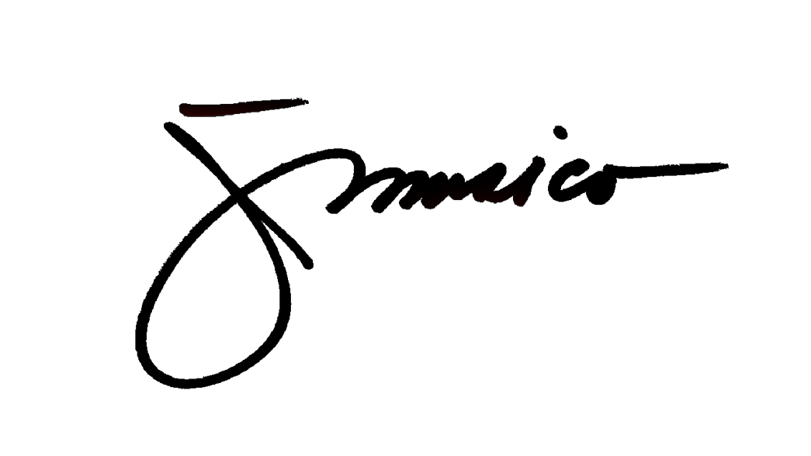
Approved: |  |  |  |  |  |  |  |  |  |  |  | learning areas as well as his/her core values.
 |  |  |  |  |  |  |  |  |  |  |  |  | The school welcomes you should you desire to know more about your child's
 |  |  |  |  |  |  |  |  |  |  |  | progess.
Mrs. Margielene D. Judan |  |  |  |  |  |  |  | Mr. Johann F. Musico
Principal |  |  |  |  |  |  |  | Registrar

CANCELLATION OF ELIGIBILITY TO TRANSFER |  |  |  |  |  |  |  |  |  |  |  |  |  |  |  | Mr. Johann F. Musico
Admitted in: |  |  |  |  |  |  |  |  |  |  |  |  |  |  |  |  |  | Class Adviser
Date:
 |  |  |  |  |  |  | Mrs. Margielene D. Judan
 |  |  |  |  |  |  | Principal

